TEE'S
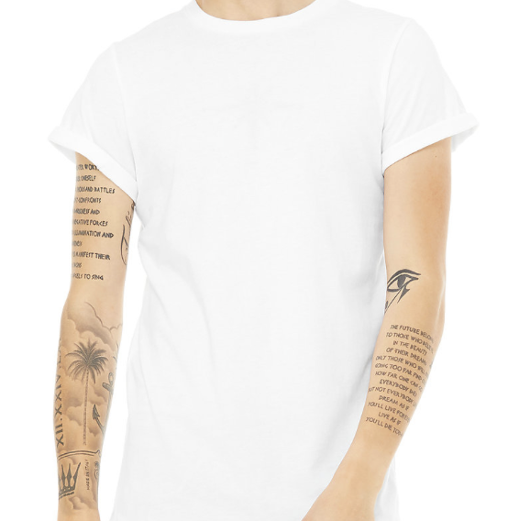
Style | Style Description | Item Number | Color | Size | Case Qty | MD | NV | Grand Total | Images
3003 | Mens Jersey SS T W Curved Hem | 3003001382 | Dark Grey | S | 72 |  | 1,941 | 1,941
3003 | Mens Jersey SS T W Curved Hem | 3003001383 | Dark Grey | M | 72 |  | 93 | 93
3003 | Mens Jersey SS T W Curved Hem | 3003001384 | Dark Grey | L | 72 |  | 301 | 301
3003 | Mens Jersey SS T W Curved Hem | 3003001385 | Dark Grey | XL | 72 |  | 459 | 459
3003 | Mens Jersey SS T W Curved Hem | 3003002 | White | S | 72 | 1,920 | 1,591 | 3,511
3003 | Mens Jersey SS T W Curved Hem | 3003002822 | Oxblood Black | S | 72 | 504 | 180 | 684
3003 | Mens Jersey SS T W Curved Hem | 3003002823 | Oxblood Black | M | 72 | 4,930 | 106 | 5,036
3003 | Mens Jersey SS T W Curved Hem | 3003002824 | Oxblood Black | L | 72 | 5,364 |  | 5,364
3003 | Mens Jersey SS T W Curved Hem | 3003002825 | Oxblood Black | XL | 72 | 2,735 | 154 | 2,889
3003 | Mens Jersey SS T W Curved Hem | 3003002826 | Oxblood Black | 2XL | 72 | 943 | 119 | 1,062
3003 | Mens Jersey SS T W Curved Hem | 3003003 | White | M | 72 | 4,503 | 794 | 5,297
3003 | Mens Jersey SS T W Curved Hem | 3003003442 | Heather Cool Grey | S | 72 | 576 | 2,937 | 3,513
3003 | Mens Jersey SS T W Curved Hem | 3003003443 | Heather Cool Grey | M | 72 | 112 | 2,727 | 2,839
3003 | Mens Jersey SS T W Curved Hem | 3003003444 | Heather Cool Grey | L | 72 | 216 | 72 | 288
3003 | Mens Jersey SS T W Curved Hem | 3003003445 | Heather Cool Grey | XL | 72 | 1,725 | 110 | 1,835
3003 | Mens Jersey SS T W Curved Hem | 3003003446 | Heather Cool Grey | 2XL | 72 | 1,065 | 997 | 2,062
3003 | Mens Jersey SS T W Curved Hem | 3003003452 | Heather Sand Dune | S | 72 | 787 | 160 | 947
3003 | Mens Jersey SS T W Curved Hem | 3003003453 | Heather Sand Dune | M | 72 | 1,345 | 180 | 1,525
3003 | Mens Jersey SS T W Curved Hem | 3003003454 | Heather Sand Dune | L | 72 | 768 | 162 | 930
3003 | Mens Jersey SS T W Curved Hem | 3003003455 | Heather Sand Dune | XL | 72 |  | 106 | 106
3003 | Mens Jersey SS T W Curved Hem | 3003003456 | Heather Sand Dune | 2XL | 72 | 2,436 | 704 | 3,140
3003 | Mens Jersey SS T W Curved Hem | 3003004 | White | L | 72 | 4,813 |  | 4,813
3003 | Mens Jersey SS T W Curved Hem | 3003005 | White | XL | 72 | 3,516 |  | 3,516
3003 | Mens Jersey SS T W Curved Hem | 3003006 | White | 2XL | 72 | 1,320 | 761 | 2,081
3003 | Mens Jersey SS T W Curved Hem | 3003012 | Black | S | 72 | 762 | 810 | 1,572
3003 | Mens Jersey SS T W Curved Hem | 3003013 | Black | M | 72 | 3,468 | 804 | 4,272
3003 | Mens Jersey SS T W Curved Hem | 3003014 | Black | L | 72 | 580 | 2,358 | 2,938
3003 | Mens Jersey SS T W Curved Hem | 3003015 | Black | XL | 72 | 1 | 38 | 39
3003 | Mens Jersey SS T W Curved Hem | 3003016 | Black | 2XL | 72 | 1,287 | 1,302 | 2,589
3003 | Mens Jersey SS T W Curved Hem | 3003052 | Navy | S | 72 | 108 | 1,617 | 1,725
3003 | Mens Jersey SS T W Curved Hem | 3003053 | Navy | M | 72 | 2,313 | 1,079 | 3,392
3003 | Mens Jersey SS T W Curved Hem | 3003054 | Navy | L | 72 | 1,545 | 209 | 1,754
3003 | Mens Jersey SS T W Curved Hem | 3003055 | Navy | XL | 72 | 145 | 2,285 | 2,430
3003 | Mens Jersey SS T W Curved Hem | 3003056 | Navy | 2XL | 72 | 541 | 1,399 | 1,940
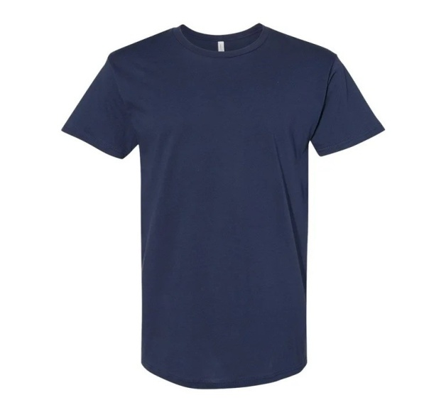
3006 | Men's Long Body Urban Tee | 3006002 | White | S | 72 | 3,459 | 626 | 4,085
3006 | Men's Long Body Urban Tee | 3006002632 | Heather Olive | S | 72 | 365 | 121 | 486
3006 | Men's Long Body Urban Tee | 3006002633 | Heather Olive | M | 72 | 1,723 | 1,994 | 3,717
3006 | Men's Long Body Urban Tee | 3006002634 | Heather Olive | L | 72 | 3,455 | 73 | 3,528
3006 | Men's Long Body Urban Tee | 3006002635 | Heather Olive | XL | 72 | 2,879 | 398 | 3,277
3006 | Men's Long Body Urban Tee | 3006002636 | Heather Olive | 2XL | 72 | 264 | 115 | 379
3006 | Men's Long Body Urban Tee | 3006002637 | Heather Olive | 3XL | 60 | 143 | 92 | 235
3006 | Men's Long Body Urban Tee | 3006002642 | Heather Stone | S | 72 | 428 | 837 | 1,265
3006 | Men's Long Body Urban Tee | 3006002643 | Heather Stone | M | 72 | 383 | 86 | 469
3006 | Men's Long Body Urban Tee | 3006002644 | Heather Stone | L | 72 | 2,074 | 1,739 | 3,813
3006 | Men's Long Body Urban Tee | 3006002646 | Heather Stone | 2XL | 72 | 688 |  | 688
3006 | Men's Long Body Urban Tee | 3006002647 | Heather Stone | 3XL | 60 | 756 | 23 | 779
3006 | Men's Long Body Urban Tee | 3006003 | White | M | 72 | 3,789 | 376 | 4,165
3006 | Men's Long Body Urban Tee | 3006004 | White | L | 72 |  | 5 | 5
3006 | Men's Long Body Urban Tee | 3006005 | White | XL | 72 | 17 | 492 | 509
3006 | Men's Long Body Urban Tee | 3006006 | White | 2XL | 72 | 109 | 478 | 587
3006 | Men's Long Body Urban Tee | 3006007 | White | 3XL | 60 | 515 | 69 | 584
3006 | Men's Long Body Urban Tee | 3006012 | Black | S | 72 | 2,000 | 204 | 2,204
3006 | Men's Long Body Urban Tee | 3006013 | Black | M | 72 | 3,043 | 56 | 3,099
3006 | Men's Long Body Urban Tee | 3006014 | Black | L | 72 | 1 | 63 | 64
3006 | Men's Long Body Urban Tee | 3006052 | Navy | S | 72 | 1,860 | 464 | 2,324
3006 | Men's Long Body Urban Tee | 3006053 | Navy | M | 72 |  | 76 | 76
3006 | Men's Long Body Urban Tee | 3006054 | Navy | L | 72 | 7 | 35 | 42
3006 | Men's Long Body Urban Tee | 3006932 | Dark Grey Heather | S | 72 | 317 | 1,741 | 2,058
3006 | Men's Long Body Urban Tee | 3006933 | Dark Grey Heather | M | 72 | 202 | 3,258 | 3,460
3006 | Men's Long Body Urban Tee | 3006935 | Dark Grey Heather | XL | 72 |  | 769 | 769
3006 | Men's Long Body Urban Tee | 3006936 | Dark Grey Heather | 2XL | 72 | 1,760 | 3 | 1,763
3006 | Men's Long Body Urban Tee | 3006937 | Dark Grey Heather | 3XL | 60 | 340 | 49 | 389
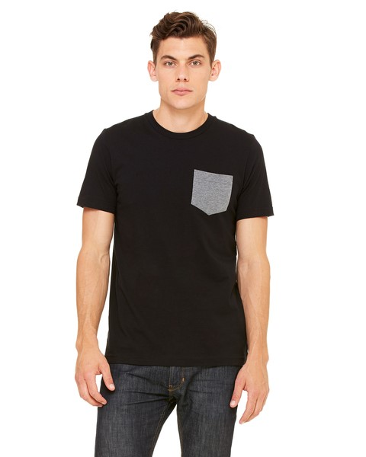
3021 | Men's Jersey S/S Pocket Tee | 302100012 | White/Black | S | 72 |  | 194 | 194
3021 | Men's Jersey S/S Pocket Tee | 3021000882 | Dark Grey Heather/Black | S | 72 | 54 | 417 | 471
3021 | Men's Jersey S/S Pocket Tee | 3021000883 | Dark Grey Heather/Black | M | 72 | 21 |  | 21
3021 | Men's Jersey S/S Pocket Tee | 3021000884 | Dark Grey Heather/Black | L | 72 | 1,596 |  | 1,596
3021 | Men's Jersey S/S Pocket Tee | 3021000885 | Dark Grey Heather/Black | XL | 72 | 482 | 1,274 | 1,756
3021 | Men's Jersey S/S Pocket Tee | 3021000886 | Dark Grey Heather/Black | 2XL | 72 | 327 | 127 | 454
3021 | Men's Jersey S/S Pocket Tee | 3021000902 | Black/Deep Heather | S | 72 | 118 | 1,014 | 1,132
3021 | Men's Jersey S/S Pocket Tee | 3021000903 | Black/Deep Heather | M | 72 | 1 | 65 | 66
3021 | Men's Jersey S/S Pocket Tee | 3021000904 | Black/Deep Heather | L | 72 |  | 935 | 935
3021 | Men's Jersey S/S Pocket Tee | 3021000905 | Black/Deep Heather | XL | 72 | 81 | 50 | 131
3021 | Men's Jersey S/S Pocket Tee | 3021000906 | Black/Deep Heather | 2XL | 72 | 31 | 89 | 120
3021 | Men's Jersey S/S Pocket Tee | 3021001062 | Athletic Heather/Navy | S | 72 |  | 119 | 119
3021 | Men's Jersey S/S Pocket Tee | 3021001066 | Athletic Heather/Navy | 2XL | 72 |  | 101 | 101
3021 | Men's Jersey S/S Pocket Tee | 3021001432 | Heather True Royal/Navy | S | 72 |  | 317 | 317
3021 | Men's Jersey S/S Pocket Tee | 3021001433 | Heather True Royal/Navy | M | 72 |  | 181 | 181
3021 | Men's Jersey S/S Pocket Tee | 3021001434 | Heather True Royal/Navy | L | 72 |  | 15 | 15
3021 | Men's Jersey S/S Pocket Tee | 3021001435 | Heather True Royal/Navy | XL | 72 |  | 133 | 133
3021 | Men's Jersey S/S Pocket Tee | 3021001436 | Heather True Royal/Navy | 2XL | 72 |  | 44 | 44
3021 | Men's Jersey S/S Pocket Tee | 3021001622 | Heather Red/Deep Heather | S | 72 |  | 211 | 211
3021 | Men's Jersey S/S Pocket Tee | 3021001625 | Heather Red/Deep Heather | XL | 72 |  | 142 | 142
3021 | Men's Jersey S/S Pocket Tee | 3021001626 | Heather Red/Deep Heather | 2XL | 72 |  | 246 | 246
3021 | Men's Jersey S/S Pocket Tee | 302100452 | White/Athletic Heather | S | 72 |  | 72 | 72
3021 | Men's Jersey S/S Pocket Tee | 302100455 | White/Athletic Heather | XL | 72 |  | 107 | 107
3021 | Men's Jersey S/S Pocket Tee | 302100456 | White/Athletic Heather | 2XL | 72 |  | 119 | 119
3021 | Men's Jersey S/S Pocket Tee | 3021062 | Deep Heather | S | 72 | 65 | 464 | 529
3021 | Men's Jersey S/S Pocket Tee | 3021063 | Deep Heather | M | 72 | 77 | 90 | 167
3021 | Men's Jersey S/S Pocket Tee | 3021626 | True Royal | 2XL | 72 |  | 114 | 114
3021 | Men's Jersey S/S Pocket Tee | 3021732 | Asphalt | S | 72 |  | 116 | 116
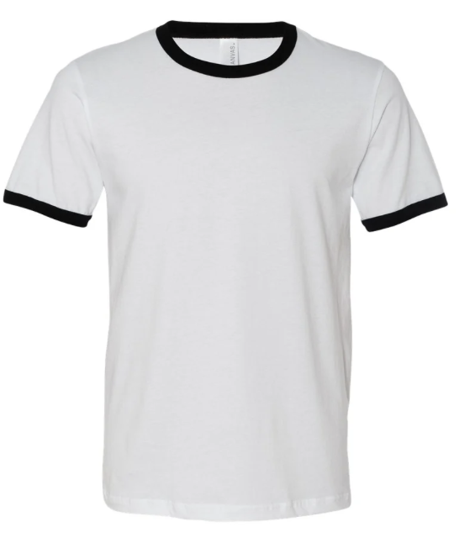
3055 | Men's Jersey S/S Ringer Tee | 7305500012 | White/Black | S | 72 | 484 | 373 | 857
3055 | Men's Jersey S/S Ringer Tee | 7305500013 | White/Black | M | 72 | 32 |  | 32
3055 | Men's Jersey S/S Ringer Tee | 7305500014 | White/Black | L | 72 | 1,473 | 91 | 1,564
3055 | Men's Jersey S/S Ringer Tee | 7305500015 | White/Black | XL | 72 | 391 | 126 | 517
3055 | Men's Jersey S/S Ringer Tee | 7305506012 | Deep Heather/Black | S | 72 | 89 | 163 | 252
3055 | Men's Jersey S/S Ringer Tee | 7305506013 | Deep Heather/Black | M | 72 |  | 97 | 97
3055 | Men's Jersey S/S Ringer Tee | 7305506014 | Deep Heather/Black | L | 72 | 3,030 | 383 | 3,413
3055 | Men's Jersey S/S Ringer Tee | 7305506015 | Deep Heather/Black | XL | 72 | 1,101 | 106 | 1,207
3055 | Men's Jersey S/S Ringer Tee | 7305506016 | Deep Heather/Black | 2XL | 72 |  | 51 | 51
3055 | Men's Jersey S/S Ringer Tee | 7305506086 | Deep Heather/Cardinal | 2XL | 72 |  | 50 | 50
3055 | Men's Jersey S/S Ringer Tee | 7305530106 | Heather Tan/Brown | 2XL | 72 |  | 112 | 112
3055 | Men's Jersey S/S Ringer Tee | 7305549106 | Heather Brown/Brown | 2XL | 72 |  | 3 | 3
3055 | Men's Jersey S/S Ringer Tee | 7305550542 | Heather Navy/Midnight | S | 72 |  | 1 | 1
3055 | Men's Jersey S/S Ringer Tee | 7305550544 | Heather Navy/Midnight | L | 72 |  | 38 | 38
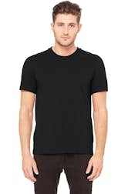
3091 | Men's Heavyweight Crew Tee | 3091007 | White | 3XL | 48 |  | 6 | 6
3091 | Men's Heavyweight Crew Tee | 3091017 | Black | 3XL | 48 |  | 3 | 3
3091 | Men's Heavyweight Crew Tee | 3091027 | Red | 3XL | 48 |  | 80 | 80
3091 | Men's Heavyweight Crew Tee | 3091055 | Navy | XL | 60 |  | 1 | 1
3091 | Men's Heavyweight Crew Tee | 3091057 | Navy | 3XL | 48 |  | 29 | 29
3091 | Men's Heavyweight Crew Tee | 3091067 | Deep Heather | 3XL | 48 |  | 1 | 1
3091 | Men's Heavyweight Crew Tee | 3091582 | Leaf | S | 60 |  | 54 | 54
3091 | Men's Heavyweight Crew Tee | 3091586 | Leaf | 2XL | 60 |  | 8 | 8
3091 | Men's Heavyweight Crew Tee | 3091587 | Leaf | 3XL | 48 |  | 105 | 105
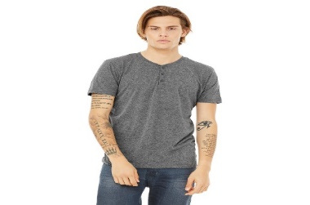
3125 | Men's Triblend S/S Henley | 3125000113 | Charcoal-Black Triblend | M | 60 |  | 3 | 3
3125 | Men's Triblend S/S Henley | 3125000122 | Grey Triblend | S | 60 |  | 202 | 202
3125 | Men's Triblend S/S Henley | 3125000124 | Grey Triblend | L | 60 |  | 6 | 6
3125 | Men's Triblend S/S Henley | 3125000156 | Navy Triblend | 2XL | 60 |  | 4 | 4
3125 | Men's Triblend S/S Henley | 3125000802 | White Fleck Triblend | S | 60 |  | 84 | 84
3125 | Men's Triblend S/S Henley | 3125000806 | White Fleck Triblend | 2XL | 60 |  | 118 | 118
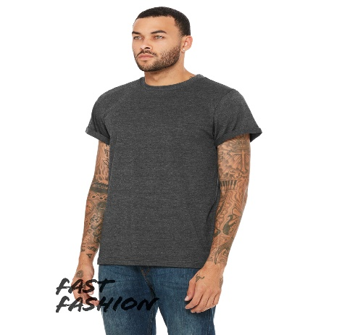
3004 | Unisex Jersey Rolled Cuff Tee | 3004001 | White | XS | 72 | 116 | 55 | 171
3004 | Unisex Jersey Rolled Cuff Tee | 3004002 | White | S | 72 | 102 |  | 102
3004 | Unisex Jersey Rolled Cuff Tee | 3004002641 | Heather Stone | XS | 72 | 17 | 45 | 62
3004 | Unisex Jersey Rolled Cuff Tee | 3004002642 | Heather Stone | S | 72 |  | 34 | 34
3004 | Unisex Jersey Rolled Cuff Tee | 3004004 | White | L | 72 | 109 | 19 | 128
3004 | Unisex Jersey Rolled Cuff Tee | 3004005 | White | XL | 72 | 72 | 47 | 119
3004 | Unisex Jersey Rolled Cuff Tee | 3004011 | Black | XS | 72 |  | 26 | 26
3004 | Unisex Jersey Rolled Cuff Tee | 3004931 | Dark Grey Heather | XS | 72 |  | 16 | 16
3004 | Unisex Jersey Rolled Cuff Tee | 3004932 | Dark Grey Heather | S | 72 | 41 |  | 41
3004 | Unisex Jersey Rolled Cuff Tee | 3004933 | Dark Grey Heather | M | 72 |  | 14 | 14
3004 | Unisex Jersey Rolled Cuff Tee | 3004934 | Dark Grey Heather | L | 72 |  | 1 | 1
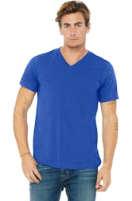
3005 | Unisex V-Neck Jersey Tee | 3005000631 | Neon Green | XS | 72 |  | 267 | 267
3005 | Unisex V-Neck Jersey Tee | 3005000632 | Neon Green | S | 72 |  | 3 | 3
3005 | Unisex V-Neck Jersey Tee | 3005000637 | Neon Green | 3XL | 60 |  | 239 | 239
3005 | Unisex V-Neck Jersey Tee | 3005000651 | Neon Yellow | XS | 72 |  | 209 | 209
3005 | Unisex V-Neck Jersey Tee | 3005000652 | Neon Yellow | S | 72 | 164 | 652 | 816
3005 | Unisex V-Neck Jersey Tee | 3005000653 | Neon Yellow | M | 72 | 74 |  | 74
3005 | Unisex V-Neck Jersey Tee | 3005000657 | Neon Yellow | 3XL | 60 |  | 197 | 197
3005 | Unisex V-Neck Jersey Tee | 3005002551 | Olive Slub | XS | 72 |  | 370 | 370
3005 | Unisex V-Neck Jersey Tee | 3005002552 | Olive Slub | S | 72 |  | 115 | 115
3005 | Unisex V-Neck Jersey Tee | 3005002553 | Olive Slub | M | 72 |  | 140 | 140
3005 | Unisex V-Neck Jersey Tee | 3005002556 | Olive Slub | 2XL | 72 |  | 139 | 139
3005 | Unisex V-Neck Jersey Tee | 3005087 | Cardinal | 3XL | 60 |  | 58 | 58
3005 | Unisex V-Neck Jersey Tee | 3005882 | Silver | S | 72 | 73 |  | 73
3005 | Unisex V-Neck Jersey Tee | 3005883 | Silver | M | 72 | 39 |  | 39
3005 | Unisex V-Neck Jersey Tee | 3005887 | Silver | 3XL | 60 |  | 161 | 161
3005 | Unisex V-Neck Jersey Tee | 73005107 | Brown | 3XL | 60 |  | 37 | 37
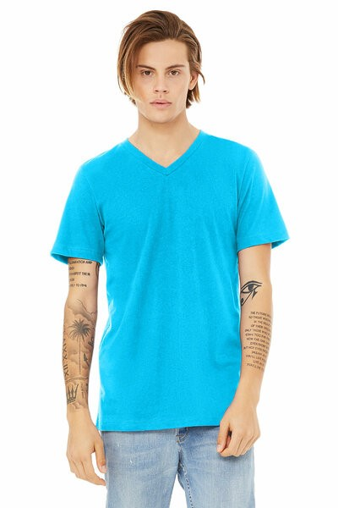
3005CVC | Unisex Heather Cvc V-Neck Tee | 3005000621 | Neon Blue | XS | 72 | 672 | 274 | 946
3005CVC | Unisex Heather Cvc V-Neck Tee | 3005000622 | Neon Blue | S | 72 | 1,613 | 94 | 1,707
3005CVC | Unisex Heather Cvc V-Neck Tee | 3005000623 | Neon Blue | M | 72 | 490 | 138 | 628
3005CVC | Unisex Heather Cvc V-Neck Tee | 3005000624 | Neon Blue | L | 72 | 1,805 | 31 | 1,836
3005CVC | Unisex Heather Cvc V-Neck Tee | 3005000625 | Neon Blue | XL | 72 |  | 5 | 5
3005CVC | Unisex Heather Cvc V-Neck Tee | 3005000626 | Neon Blue | 2XL | 72 |  | 18 | 18
3005CVC | Unisex Heather Cvc V-Neck Tee | 3005000627 | Neon Blue | 3XL | 60 | 2 |  | 2
3005CVC | Unisex Heather Cvc V-Neck Tee | 3005281 | Heather Green | XS | 72 |  | 163 | 163
3005CVC | Unisex Heather Cvc V-Neck Tee | 3005282 | Heather Green | S | 72 | 1,987 | 100 | 2,087
3005CVC | Unisex Heather Cvc V-Neck Tee | 3005283 | Heather Green | M | 72 | 191 |  | 191
3005CVC | Unisex Heather Cvc V-Neck Tee | 3005286 | Heather Green | 2XL | 72 | 344 | 196 | 540
3005CVC | Unisex Heather Cvc V-Neck Tee | 3005492 | Heather Brown | S | 72 | 55 |  | 55
3005CVC | Unisex Heather Cvc V-Neck Tee | 3005497 | Heather Brown | 3XL | 60 |  | 8 | 8
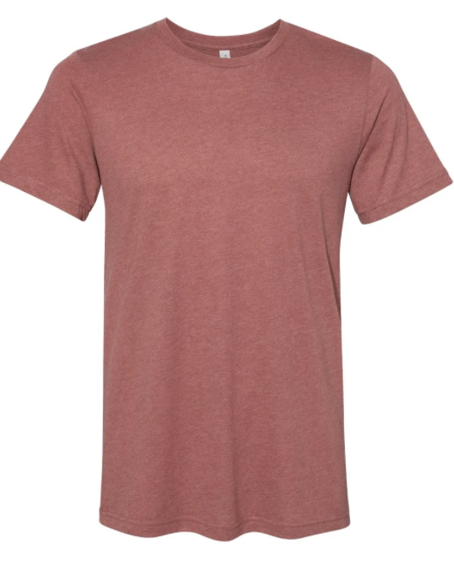
3301 | Unisex Sueded Tee | 3301001151 | Heather True Royal | XS | 72 | 14 |  | 14
3301 | Unisex Sueded Tee | 3301001155 | Heather True Royal | XL | 72 | 9 |  | 9
3301 | Unisex Sueded Tee | 3301001156 | Heather True Royal | 2XL | 72 | 6 |  | 6
3301 | Unisex Sueded Tee | 3301001461 | Heather Kelly | XS | 72 | 10 |  | 10
3301 | Unisex Sueded Tee | 3301001462 | Heather Kelly | S | 72 | 12 |  | 12
3301 | Unisex Sueded Tee | 3301001463 | Heather Kelly | M | 72 | 6 |  | 6
3301 | Unisex Sueded Tee | 3301001464 | Heather Kelly | L | 72 | 9 |  | 9
3301 | Unisex Sueded Tee | 3301001466 | Heather Kelly | 2XL | 72 | 8 |  | 8
3301 | Unisex Sueded Tee | 3301001841 | Heather Forest | XS | 72 | 17 | 24 | 41
3301 | Unisex Sueded Tee | 3301001844 | Heather Forest | L | 72 | 2 |  | 2
3301 | Unisex Sueded Tee | 3301001845 | Heather Forest | XL | 72 | 3 |  | 3
3301 | Unisex Sueded Tee | 3301001846 | Heather Forest | 2XL | 72 | 83 |  | 83
3301 | Unisex Sueded Tee | 3301001851 | Heather Maroon | XS | 72 | 52 |  | 52
3301 | Unisex Sueded Tee | 3301001852 | Heather Maroon | S | 72 | 2 |  | 2
3301 | Unisex Sueded Tee | 3301001853 | Heather Maroon | M | 72 | 6 |  | 6
3301 | Unisex Sueded Tee | 3301001854 | Heather Maroon | L | 72 | 4 |  | 4
3301 | Unisex Sueded Tee | 3301001855 | Heather Maroon | XL | 72 | 4 |  | 4
3301 | Unisex Sueded Tee | 3301002581 | Heather Clay | XS | 72 | 10 | 380 | 390
3301 | Unisex Sueded Tee | 3301002585 | Heather Clay | XL | 72 | 1 |  | 1
3301 | Unisex Sueded Tee | 3301002601 | Heather Peach | XS | 72 | 9 | 443 | 452
3301 | Unisex Sueded Tee | 3301002602 | Heather Peach | S | 72 |  | 102 | 102
3301 | Unisex Sueded Tee | 3301002603 | Heather Peach | M | 72 | 988 | 914 | 1,902
3301 | Unisex Sueded Tee | 3301002604 | Heather Peach | L | 72 | 6,127 |  | 6,127
3301 | Unisex Sueded Tee | 3301002605 | Heather Peach | XL | 72 | 3,605 | 545 | 4,150
3301 | Unisex Sueded Tee | 3301002606 | Heather Peach | 2XL | 72 | 59 | 1 | 60
3301 | Unisex Sueded Tee | 3301002655 | Heather Columbia Blue | XL | 72 | 62 |  | 62
3301 | Unisex Sueded Tee | 3301002656 | Heather Columbia Blue | 2XL | 72 | 5 |  | 5
3301 | Unisex Sueded Tee | 3301002902 | Heather Storm | S | 72 |  | 547 | 547
3301 | Unisex Sueded Tee | 3301002903 | Heather Storm | M | 72 | 1 |  | 1
3301 | Unisex Sueded Tee | 3301002905 | Heather Storm | XL | 72 | 5 |  | 5
3301 | Unisex Sueded Tee | 3301003271 | Heather Autumn | XS | 72 | 723 | 428 | 1,151
3301 | Unisex Sueded Tee | 3301003272 | Heather Autumn | S | 72 | 1,471 | 28 | 1,499
3301 | Unisex Sueded Tee | 3301003274 | Heather Autumn | L | 72 | 9 |  | 9
3301 | Unisex Sueded Tee | 3301451 | Athletic Heather | XS | 72 | 722 | 148 | 870
3301 | Unisex Sueded Tee | 3301452 | Athletic Heather | S | 72 | 80 |  | 80
3301 | Unisex Sueded Tee | 3301453 | Athletic Heather | M | 72 | 949 |  | 949
3301 | Unisex Sueded Tee | 3301455 | Athletic Heather | XL | 72 | 38 |  | 38
3301 | Unisex Sueded Tee | 3301456 | Athletic Heather | 2XL | 72 | 747 |  | 747
3301 | Unisex Sueded Tee | 3301501 | Heather Navy | XS | 72 | 517 | 507 | 1,024
3301 | Unisex Sueded Tee | 3301502 | Heather Navy | S | 72 | 1,725 | 1 | 1,726
3301 | Unisex Sueded Tee | 3301503 | Heather Navy | M | 72 | 380 |  | 380
3301 | Unisex Sueded Tee | 3301504 | Heather Navy | L | 72 | 4 |  | 4
3301 | Unisex Sueded Tee | 3301505 | Heather Navy | XL | 72 | 1 |  | 1
3301 | Unisex Sueded Tee | 3301521 | Heather Slate | XS | 72 | 400 | 180 | 580
3301 | Unisex Sueded Tee | 3301522 | Heather Slate | S | 72 | 4,380 |  | 4,380
3301 | Unisex Sueded Tee | 3301523 | Heather Slate | M | 72 | 1,854 |  | 1,854
3301 | Unisex Sueded Tee | 3301525 | Heather Slate | XL | 72 | 171 |  | 171
3301 | Unisex Sueded Tee | 3301526 | Heather Slate | 2XL | 72 | 3 |  | 3
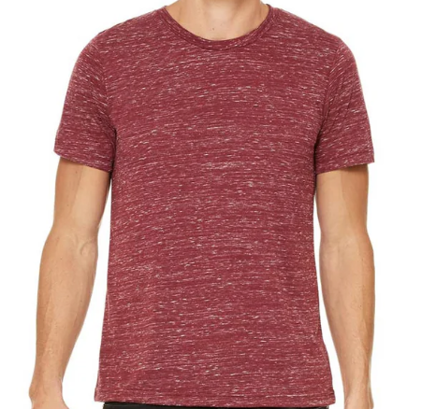
3650 | Unisex Poly-Cotton S/S Tee | 3650000621 | Neon Blue | XS | 72 | 446 |  | 446
3650 | Unisex Poly-Cotton S/S Tee | 3650000623 | Neon Blue | M | 72 | 2,634 | 1,005 | 3,639
3650 | Unisex Poly-Cotton S/S Tee | 3650000624 | Neon Blue | L | 72 | 1,722 |  | 1,722
3650 | Unisex Poly-Cotton S/S Tee | 3650000625 | Neon Blue | XL | 72 | 294 | 704 | 998
3650 | Unisex Poly-Cotton S/S Tee | 3650000626 | Neon Blue | 2XL | 72 | 1 |  | 1
3650 | Unisex Poly-Cotton S/S Tee | 3650000631 | Neon Green | XS | 72 | 1,213 | 264 | 1,477
3650 | Unisex Poly-Cotton S/S Tee | 3650000632 | Neon Green | S | 72 | 220 | 15 | 235
3650 | Unisex Poly-Cotton S/S Tee | 3650000633 | Neon Green | M | 72 | 18 |  | 18
3650 | Unisex Poly-Cotton S/S Tee | 3650000634 | Neon Green | L | 72 | 948 |  | 948
3650 | Unisex Poly-Cotton S/S Tee | 3650000641 | Neon Pink | XS | 72 | 22 |  | 22
3650 | Unisex Poly-Cotton S/S Tee | 3650000642 | Neon Pink | S | 72 | 36 |  | 36
3650 | Unisex Poly-Cotton S/S Tee | 3650000645 | Neon Pink | XL | 72 | 821 |  | 821
3650 | Unisex Poly-Cotton S/S Tee | 3650000646 | Neon Pink | 2XL | 72 | 591 | 80 | 671
3650 | Unisex Poly-Cotton S/S Tee | 3650000651 | Neon Yellow | XS | 72 | 534 | 512 | 1,046
3650 | Unisex Poly-Cotton S/S Tee | 3650000652 | Neon Yellow | S | 72 | 216 | 580 | 796
3650 | Unisex Poly-Cotton S/S Tee | 3650000653 | Neon Yellow | M | 72 | 32 | 196 | 228
3650 | Unisex Poly-Cotton S/S Tee | 3650000681 | Neon Orange | XS | 72 |  | 64 | 64
3650 | Unisex Poly-Cotton S/S Tee | 3650000686 | Neon Orange | 2XL | 72 |  | 66 | 66
3650 | Unisex Poly-Cotton S/S Tee | 3650000721 | Charcoal Marble | XS | 72 | 497 |  | 497
3650 | Unisex Poly-Cotton S/S Tee | 3650000722 | Charcoal Marble | S | 72 | 1,339 | 90 | 1,429
3650 | Unisex Poly-Cotton S/S Tee | 3650000723 | Charcoal Marble | M | 72 | 1,362 | 183 | 1,545
3650 | Unisex Poly-Cotton S/S Tee | 3650000724 | Charcoal Marble | L | 72 | 1,020 | 175 | 1,195
3650 | Unisex Poly-Cotton S/S Tee | 3650000725 | Charcoal Marble | XL | 72 | 1,708 | 3 | 1,711
3650 | Unisex Poly-Cotton S/S Tee | 3650000726 | Charcoal Marble | 2XL | 72 | 958 |  | 958
3650 | Unisex Poly-Cotton S/S Tee | 3650000741 | Navy Marble | XS | 72 |  | 42 | 42
3650 | Unisex Poly-Cotton S/S Tee | 3650000742 | Navy Marble | S | 72 | 21 | 18 | 39
3650 | Unisex Poly-Cotton S/S Tee | 3650000743 | Navy Marble | M | 72 | 1 | 56 | 57
3650 | Unisex Poly-Cotton S/S Tee | 3650000744 | Navy Marble | L | 72 |  | 55 | 55
3650 | Unisex Poly-Cotton S/S Tee | 3650000745 | Navy Marble | XL | 72 | 7 |  | 7
3650 | Unisex Poly-Cotton S/S Tee | 3650000746 | Navy Marble | 2XL | 72 | 37 | 7 | 44
3650 | Unisex Poly-Cotton S/S Tee | 3650000891 | Black Marble | XS | 72 | 208 | 3,672 | 3,880
3650 | Unisex Poly-Cotton S/S Tee | 3650000892 | Black Marble | S | 72 | 1,650 |  | 1,650
3650 | Unisex Poly-Cotton S/S Tee | 3650000893 | Black Marble | M | 72 | 1,056 |  | 1,056
3650 | Unisex Poly-Cotton S/S Tee | 3650000894 | Black Marble | L | 72 | 1,341 | 35 | 1,376
3650 | Unisex Poly-Cotton S/S Tee | 3650000895 | Black Marble | XL | 72 | 1,085 | 38 | 1,123
3650 | Unisex Poly-Cotton S/S Tee | 3650000896 | Black Marble | 2XL | 72 |  | 38 | 38
3650 | Unisex Poly-Cotton S/S Tee | 3650001111 | True Royal Marble | XS | 72 | 190 | 166 | 356
3650 | Unisex Poly-Cotton S/S Tee | 3650001112 | True Royal Marble | S | 72 | 612 | 421 | 1,033
3650 | Unisex Poly-Cotton S/S Tee | 3650001113 | True Royal Marble | M | 72 | 1,637 |  | 1,637
3650 | Unisex Poly-Cotton S/S Tee | 3650001114 | True Royal Marble | L | 72 | 2,262 |  | 2,262
3650 | Unisex Poly-Cotton S/S Tee | 3650001115 | True Royal Marble | XL | 72 | 563 |  | 563
3650 | Unisex Poly-Cotton S/S Tee | 3650001116 | True Royal Marble | 2XL | 72 | 570 | 157 | 727
3650 | Unisex Poly-Cotton S/S Tee | 3650001131 | Maroon Marble | XS | 72 | 529 | 545 | 1,074
3650 | Unisex Poly-Cotton S/S Tee | 3650001132 | Maroon Marble | S | 72 | 2,833 | 41 | 2,874
3650 | Unisex Poly-Cotton S/S Tee | 3650001133 | Maroon Marble | M | 72 | 1,816 |  | 1,816
3650 | Unisex Poly-Cotton S/S Tee | 3650001134 | Maroon Marble | L | 72 | 3,396 |  | 3,396
3650 | Unisex Poly-Cotton S/S Tee | 3650001135 | Maroon Marble | XL | 72 | 2,361 | 435 | 2,796
3650 | Unisex Poly-Cotton S/S Tee | 3650001136 | Maroon Marble | 2XL | 72 | 1,423 | 22 | 1,445
3650 | Unisex Poly-Cotton S/S Tee | 3650001491 | Red Acid Wash | XS | 72 | 59 | 57 | 116
3650 | Unisex Poly-Cotton S/S Tee | 3650001494 | Red Acid Wash | L | 72 | 615 |  | 615
3650 | Unisex Poly-Cotton S/S Tee | 3650001495 | Red Acid Wash | XL | 72 | 706 | 230 | 936
3650 | Unisex Poly-Cotton S/S Tee | 3650001496 | Red Acid Wash | 2XL | 72 |  | 56 | 56
3650 | Unisex Poly-Cotton S/S Tee | 3650001501 | True Royal Acid Wash | XS | 72 | 1,287 | 178 | 1,465
3650 | Unisex Poly-Cotton S/S Tee | 3650001502 | True Royal Acid Wash | S | 72 | 1,518 |  | 1,518
3650 | Unisex Poly-Cotton S/S Tee | 3650001503 | True Royal Acid Wash | M | 72 | 604 |  | 604
3650 | Unisex Poly-Cotton S/S Tee | 3650001504 | True Royal Acid Wash | L | 72 | 2,592 |  | 2,592
3650 | Unisex Poly-Cotton S/S Tee | 3650001505 | True Royal Acid Wash | XL | 72 | 686 | 111 | 797
3650 | Unisex Poly-Cotton S/S Tee | 3650001506 | True Royal Acid Wash | 2XL | 72 | 1 | 28 | 29
3650 | Unisex Poly-Cotton S/S Tee | 3650001512 | Black Mineral Wash | S | 72 | 81 |  | 81
3650 | Unisex Poly-Cotton S/S Tee | 3650001513 | Black Mineral Wash | M | 72 | 8 |  | 8
3650 | Unisex Poly-Cotton S/S Tee | 3650001521 | Black Speckled | XS | 72 | 42 |  | 42
3650 | Unisex Poly-Cotton S/S Tee | 3650001522 | Black Speckled | S | 72 | 190 | 23 | 213
3650 | Unisex Poly-Cotton S/S Tee | 3650001523 | Black Speckled | M | 72 |  | 21 | 21
3650 | Unisex Poly-Cotton S/S Tee | 3650001524 | Black Speckled | L | 72 |  | 14 | 14
3650 | Unisex Poly-Cotton S/S Tee | 3650001525 | Black Speckled | XL | 72 |  | 23 | 23
3650 | Unisex Poly-Cotton S/S Tee | 3650001526 | Black Speckled | 2XL | 72 |  | 6 | 6
3650 | Unisex Poly-Cotton S/S Tee | 3650001531 | Deep Heather Speckled | XS | 72 | 69 | 196 | 265
3650 | Unisex Poly-Cotton S/S Tee | 3650001532 | Deep Heather Speckled | S | 72 | 58 | 294 | 352
3650 | Unisex Poly-Cotton S/S Tee | 3650001534 | Deep Heather Speckled | L | 72 | 3 |  | 3
3650 | Unisex Poly-Cotton S/S Tee | 3650001535 | Deep Heather Speckled | XL | 72 | 4 |  | 4
3650 | Unisex Poly-Cotton S/S Tee | 3650001536 | Deep Heather Speckled | 2XL | 72 | 33 | 46 | 79
3650 | Unisex Poly-Cotton S/S Tee | 3650001542 | Navy Speckled | S | 72 | 714 |  | 714
3650 | Unisex Poly-Cotton S/S Tee | 3650001543 | Navy Speckled | M | 72 | 4 |  | 4
3650 | Unisex Poly-Cotton S/S Tee | 3650001545 | Navy Speckled | XL | 72 | 486 |  | 486
3650 | Unisex Poly-Cotton S/S Tee | 3650001546 | Navy Speckled | 2XL | 72 | 805 |  | 805
3650 | Unisex Poly-Cotton S/S Tee | 3650001591 | Charcoal-Black Slub | XS | 72 | 208 |  | 208
3650 | Unisex Poly-Cotton S/S Tee | 3650001592 | Charcoal-Black Slub | S | 72 | 296 | 101 | 397
3650 | Unisex Poly-Cotton S/S Tee | 3650001593 | Charcoal-Black Slub | M | 72 | 1,485 | 194 | 1,679
3650 | Unisex Poly-Cotton S/S Tee | 3650001594 | Charcoal-Black Slub | L | 72 | 1,775 | 192 | 1,967
...

LS TEE'S
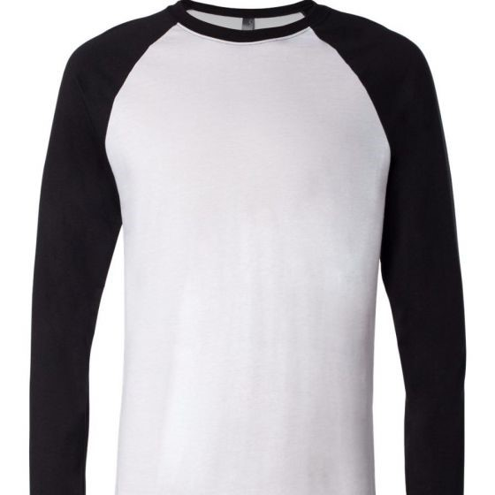
Color | Size | Case Qty | MD | NV | Grand Total | Images
White/Black | S | 72 |  | 122 | 122
White/Black | M | 72 |  | 345 | 345
White/Black | XL | 72 |  | 374 | 374
White/Navy | S | 72 |  | 139 | 139
White/Navy | M | 72 |  | 81 | 81
White/Navy | 2XL | 72 |  | 100 | 100
White/Kelly | S | 72 |  | 292 | 292
White/Kelly | M | 72 |  | 434 | 434
White/Kelly | 2XL | 72 |  | 32 | 32
White/Canvas Red | S | 72 |  | 442 | 442
White/Canvas Red | M | 72 |  | 89 | 89
White/Canvas Red | L | 72 |  | 72 | 72
White/Canvas Red | 2XL | 72 |  | 7 | 7
Baby Blue/Navy | S | 72 | 40 | 88 | 128
Baby Blue/Navy | M | 72 | 21 | 161 | 182
Baby Blue/Navy | 2XL | 72 |  | 6 | 6
Deep Heather/Black | S | 72 |  | 81 | 81
Deep Heather/Black | M | 72 |  | 94 | 94
Deep Heather/Black | L | 72 |  | 353 | 353
Deep Heather/Cardinal | S | 72 |  | 967 | 967
Deep Heather/Cardinal | M | 72 |  | 117 | 117
Deep Heather/Cardinal | L | 72 |  | 120 | 120
Heather Navy/Midnight | S | 72 |  | 109 | 109
Heather Navy/Midnight | M | 72 |  | 846 | 846
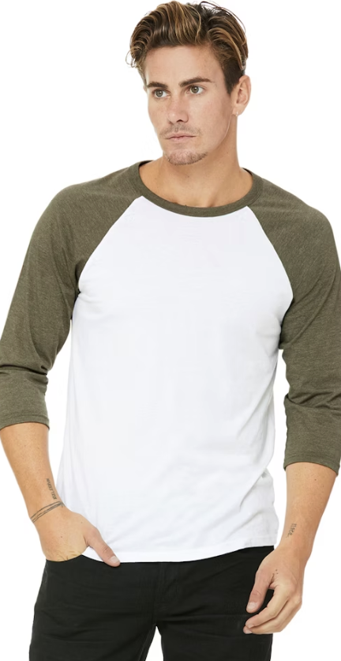
White Fleck/Navy Triblend | XS | 72 |  | 221 | 221
White Fleck/Navy Triblend | S | 72 |  | 28 | 28
White Fleck/Navy Triblend | M | 72 | 1,021 |  | 1,021
White Fleck/Navy Triblend | L | 72 | 19 | 37 | 56
White Fleck/Navy Triblend | XL | 72 | 448 | 7 | 455
White Fleck/Navy Triblend | 2XL | 72 | 1,573 |  | 1,573
White/Asphalt | XS | 72 | 21 | 477 | 498
White/Asphalt | S | 72 | 84 | 286 | 370
White/Asphalt | M | 72 | 70 | 53 | 123
White/Asphalt | L | 72 | 62 | 1,308 | 1,370
White/Asphalt | 2XL | 72 | 76 | 135 | 211
White/Neon Blue | XS | 72 | 36 | 216 | 252
White/Neon Blue | S | 72 | 2 | 64 | 66
White/Neon Blue | M | 72 | 541 |  | 541
White/Neon Blue | L | 72 | 6,750 | 36 | 6,786
White/Neon Blue | XL | 72 | 1,195 |  | 1,195
White/Neon Blue | 2XL | 72 |  | 76 | 76
White/Neon Orange | XS | 72 | 298 | 292 | 590
White/Neon Orange | S | 72 | 1,158 | 82 | 1,240
White/Neon Orange | L | 72 | 1,569 |  | 1,569
White/Neon Orange | XL | 72 | 1,425 | 416 | 1,841
White/Neon Orange | 2XL | 72 | 985 | 104 | 1,089
White/Neon Pink | XS | 72 | 313 | 256 | 569
White/Neon Pink | S | 72 | 263 | 1,061 | 1,324
White/Neon Pink | M | 72 | 758 | 98 | 856
White/Neon Pink | XL | 72 |  | 2 | 2
White/Neon Pink | 2XL | 72 | 77 | 16 | 93
White/Neon Yellow | XS | 72 |  | 88 | 88
White/Neon Yellow | S | 72 |  | 444 | 444
...

